Indices

 | Iraq Stock Exchange
 | Bulletin No (13)
 | ISX Trading Indices of Thursday 22/1/2026

 | Traded Volume and OTC |  | 234,425,256 |  | Traded Value and OTC |  | 516,459,460 |  | Traders | 767

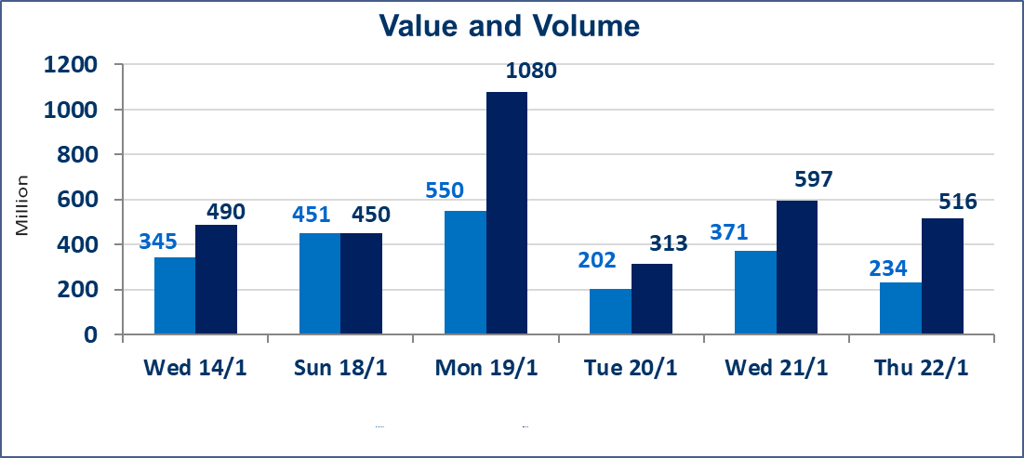
 | ISX Index 60 |  |  | 963.01 | ISX Index 15 |  |  | 1208.07
 | Previous ISX Index60 |  |  | 971.93 | Previous ISX Index15 |  |  | 1212.84
 | Change % |  |  | -0.92 | Change % |  |  | -0.39
 | Change |  |  | -8.92 | Change |  |  | -4.77

 | Listed Companies | 104 | OTC | 14 | Non Traded listed | 40 | OTC | 13
 | Traded Listed Companies | 49 | OTC | 1 | Higher Companies |  |  | 9
 | GAM Companies |  |  | 5 | Lower Companies |  |  | 19
 | Suspended Companies |  |  | 10
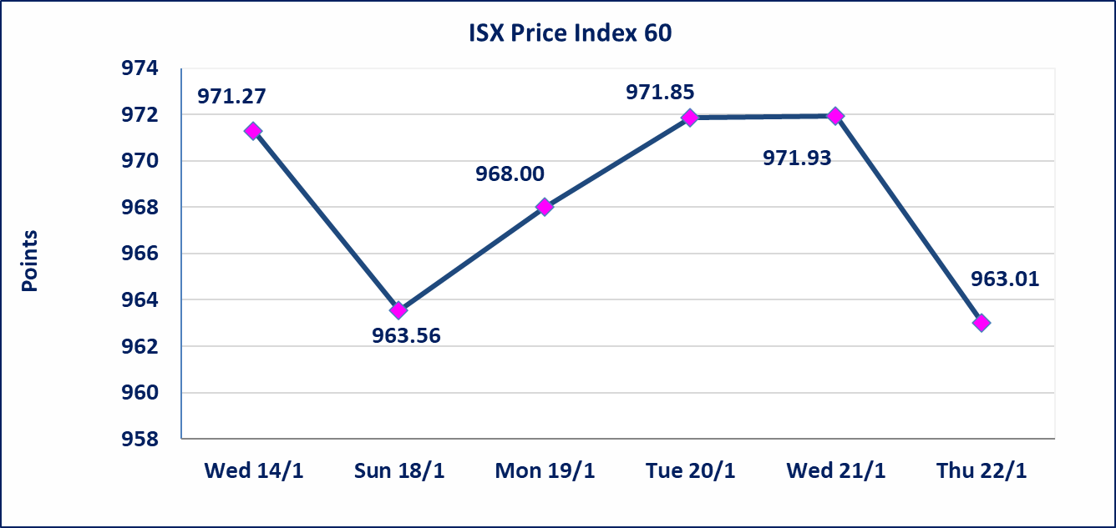
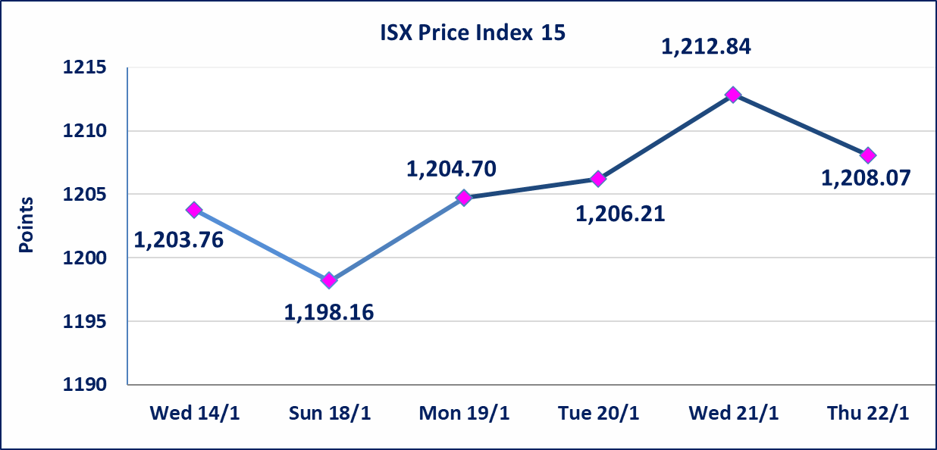

Al-Alwiya P.O . 3607 Mobile: 07711211522 - 07270094594 - 07834000034 E-mail: info-isx@isx-iq.net Web site:www.isx-iq.net

Top 5
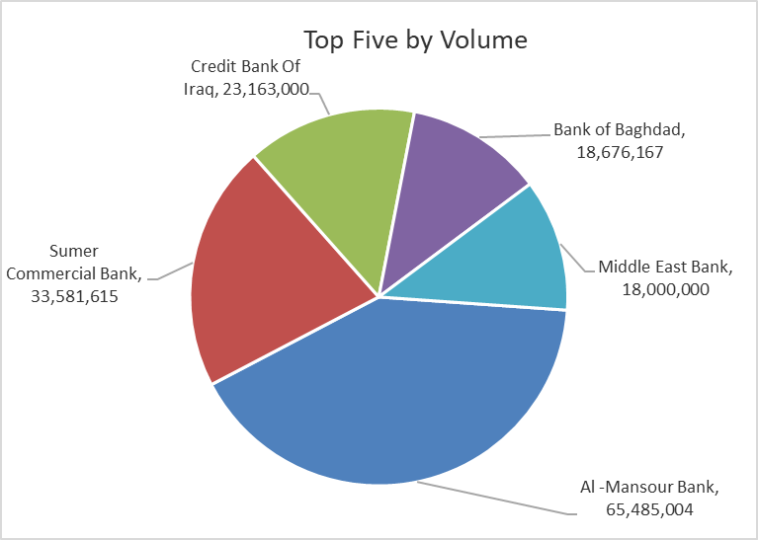
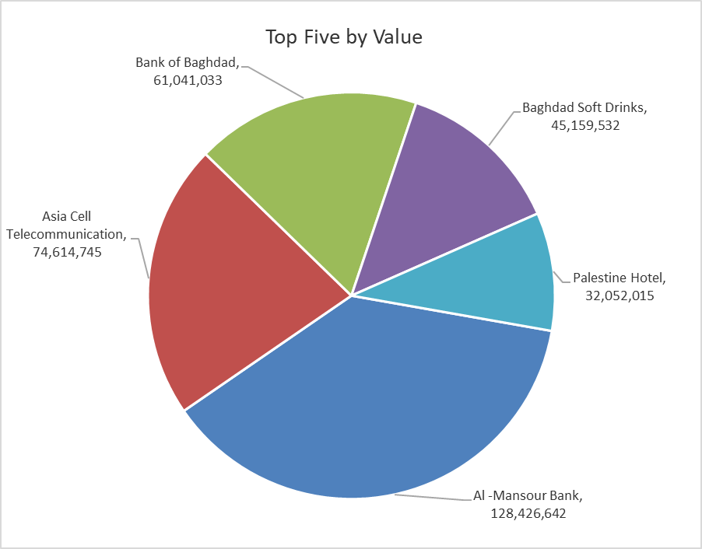
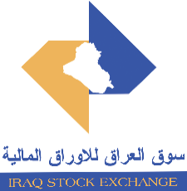
ISX top ganing and losing companies
Thursday 22/1/2026
 | Gainers |  |  |  | Losers
 | Company Name | Closing Price | Change (%) | Traded Volume | Company Name | Closing Price | Change (%) | Traded Volume
 | Al-Hamraa for Insurance | 1.870 | 19.87 | 600,200 | Iraqi Engineering Works | 4.800 | -12.73 | 1,000
 | Iraq Noor Islamic Bank for Investment | 0.290 | 16.00 | 200 | Investment Bank of Iraq | 0.240 | -4.00 | 2,012,066
 | Kharkh Tour Amuzement City | 4.300 | 3.86 | 1,506,718 | Agricultural Products Meat | 4.800 | -4.00 | 27,393
 | Ishtar Hotels | 9.150 | 0.88 | 1,301,272 | Tourist Village of Mosul dam | 13.020 | -3.70 | 59,839
 | Modern Construction Materials | 1.320 | 0.76 | 268,000 | Electronic Industry | 2.190 | -2.67 | 73,000
 | The most active companies in term of traded volume and value

 | Traded Volume |  |  |  | Traded Value
 | Company Name | Closing Price | Change (%) | Traded Volume | Company Name | Closing Price | Change (%) | Traded Value
 | Al -Mansour Bank | 1.950 | -1.02 | 65,485,004 | Al -Mansour Bank | 1.950 | -1.02 | 128,426,642
 | Sumer Commercial Bank | 0.130 | 0.00 | 33,581,615 | Asia Cell Telecommunication | 13.990 | 0.29 | 74,614,745
 | Credit Bank Of Iraq | 0.610 | 0.00 | 23,163,000 | Bank of Baghdad | 3.270 | -0.91 | 61,041,033
 | Bank of Baghdad | 3.270 | -0.91 | 18,676,167 | Baghdad Soft Drinks | 5.710 | -0.70 | 45,159,532
 | Middle East Bank | 0.060 | 0.00 | 18,000,000 | Palestine Hotel | 21.000 | 0.00 | 32,052,015

Non Iraqis

Iraq Stock Exchange
Non Iraqis' Bulletin Thursday Jan 22 2026
Regular Market

Non Iraqi Trading of Regular Market (Buy)
Company Names | Code | No.of trades | Traded Shares | Trading Volume
Services Sector
Kharkh Tour Amuzement City | SKTA | 1 | 35,124 | 140,496
Total Services sector |  | 1 | 35,124 | 140,496
Industry Sector
Al-Mansour Pharmaceuticals Industries | IMAP | 4 | 4,000,000 | 8,600,000
Total Industry sector |  | 4 | 4,000,000 | 8,600,000
Grand Total |  | 5 | 4,035,124 | 8,740,496

Non Iraqi Trading of Regular Market (Sell)
Company Names | Code | No.of trades | Traded Shares | Trading Volume
Banks Sector
Commercial Bank of Iraq | BCOI | 1 | 342,120 | 225,799
Iraqi Islamic Bank | BIIB | 1 | 750,000 | 772,500
Iraqi Middle East Investment Bank | BIME | 3 | 17,000,000 | 1,020,000
Al-Mansour Bank | BMNS | 5 | 2,361,809 | 4,652,764
Total Bank sector |  | 10 | 20,453,929 | 6,671,063
Insurance Sector
Dar Al-Salam for Insurance | NDSA | 2 | 2,233,001 | 1,808,731
Total Insurance sector |  | 2 | 2,233,001 | 1,808,731
Grand Total |  | 12 | 22686930 | 8479794

